Inverter X1
2ML70 Project

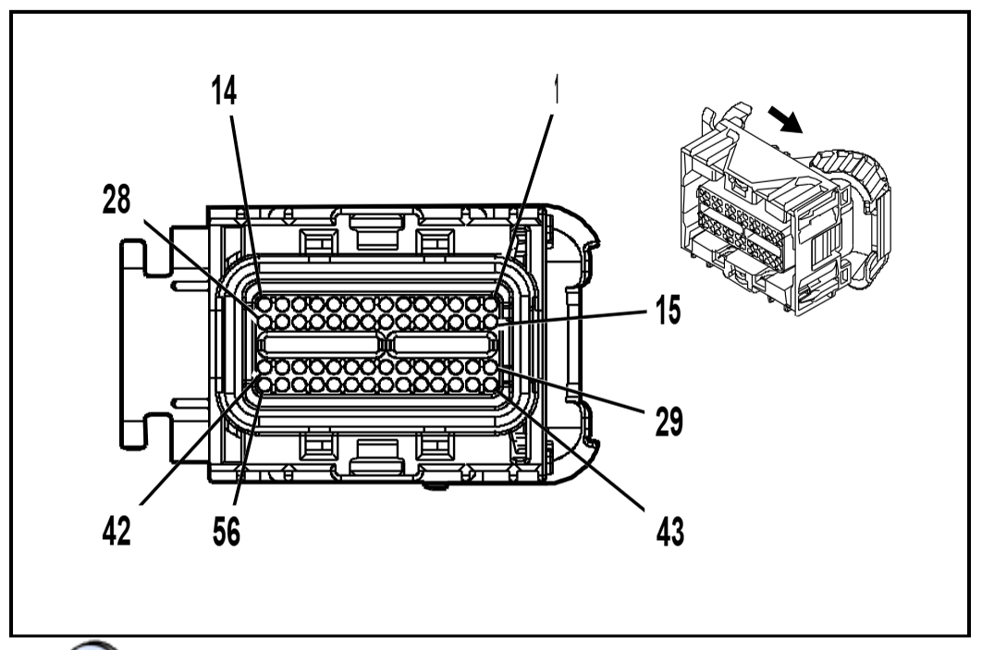
 | Connector | X1(HP2)
 | OEM Part # | 13570045
 | Service Part # | 19180279
 | Type | 56 way F Micropack 64 series sealed (BK)

 | Terminal/tray | 15359541/4
 | Core/insulation crimp | M/M
 | Release tool | 15381651-2/J-35616-64B (L-BU)

Pin | Wire | Function
1 | 0.5 OG | HV Interlock Loop - negative
2 |  | -
3 |  | -
4 | 0.35 YE | Contactor Control
5 | 0.8 L-GN | Transmission pump fluid control
6 | 0.8 RD/WH | Battery Positive Voltage
7 | 0.8 RD/WH | Battery Positive Voltage
8 |  | -
9 |  | -
10 | 0.5 L-BU | PTLAN -
11 | 0.5 D-BU | PTLAN +
12 |  | -
13 | 0.5 TN | High Speed GMLAN serial data bus -
14 | 0.5 TN/BK | High Speed GMLAN serial data bus +
15 | 0.5 YE | Internal Mode Switch (IMS) R1
16 | 0.5 GY | Internal Mode Switch (IMS) R2
17 | 0.5 BN | Internal Mode Switch (IMS) R3
18 | 0.5 L-GN | Internal Mode Switch (IMS) R4
19 | 0.5 L-GN/BK | Wake Up Signal
20 | 0.5 PK/WH | Ignition Voltage
21 |  | -
22 |  | -
23 | 0.5 PU | High Voltage Interlock Circuit - Positive
24 | 0.5 L-BU | PTLAN-
25 | 0.5 D-BU | PTLAN +
26 | 0.35 WH/BK | Crankshaft position Sensor Signal
27 | 0.5 TN | High Speed GMLAN serial data bus -
28 | 0.5 TN/BK | High Speed GMLAN serial data bus +
29 | 0.5 YE | Temperature Sensor B Return
30 |  | -
31 |  | -
32 | 0.5 PU | Internal Mode Switch (IMS) - S
33 |  | -
34 |  | -
35 | 0.35 GY/BK | Low Reference
36 | 0.5 D-GN | Temperature Sensor A Return
37 |  | -
38 |  | -
39 | 0.5 OG/BK | Internal Mode Switch Ground
40 |  | -
41 | 0.8 TN | Transmission fluid pump diagnostic
42 |  | -
43 | 0.5 L-GN | Temperature Sensor B Signal
44 | 0.5 BN | Resolver Motor B S4 Signal
45 | 0.5 D-GN | Resolver Motor B S2 Signal
46 | 0.5 GY | Resolver Motor B S3 Signal
47 | 0.5 L-BU | Resolver Motor B S1 Signal
48 | 0.5 GY | Resolver Motor B Excitation, Negative
49 | 0.5 D-BU | Resolver Motor B Excitation, Positive
50 | 0.5 L-BU | Temperature Sensor A Signal
51 | 0.5 GY | Resolver Motor A S4 Signal
52 | 0.5 PU | Resolver Motor A S2 Signal
53 | 0.5 BN | Resolver Motor A S3 Signal
54 | 0.5 YE | Resolver Motor A S1 Signal
55 | 0.5 L-BU/WH | Resolver Motor A Excitation, Positive | Presume an error here, and one should be negative?
56 | 0.5 D_BU | Resolver Motor A Excitation, Positive

Batt Current Sens
2ML70 Project

 | Connector | Drive Motor Battery Current Sensor
 | OEM Part # | Not Available
 | Service Part # | Not Available
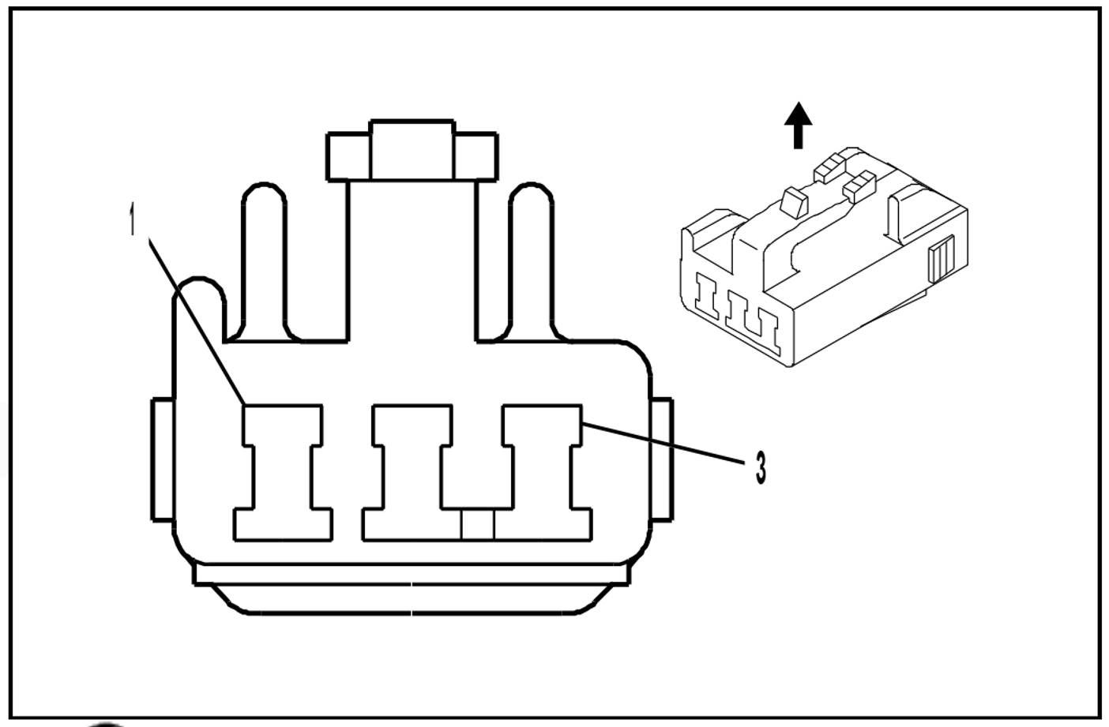
 | Type | 3-Way F (NA)

 | Terminal/tray | Not Available
 | Core/insulation crimp | Not Available
 | Release tool | Not Available

Pin | Wire | Function
1 | BK | Current Sensor Control
2 | RD | Low Reference
3 | BU | Current Sensor Signal

Contactor Relay
2ML70 Project

 | Connector | Drive Motor Battery Negative High Voltage Contactor Relay X1 (HP2)
 | OEM Part # | 7283-1020
 | Service Part # | 88953305
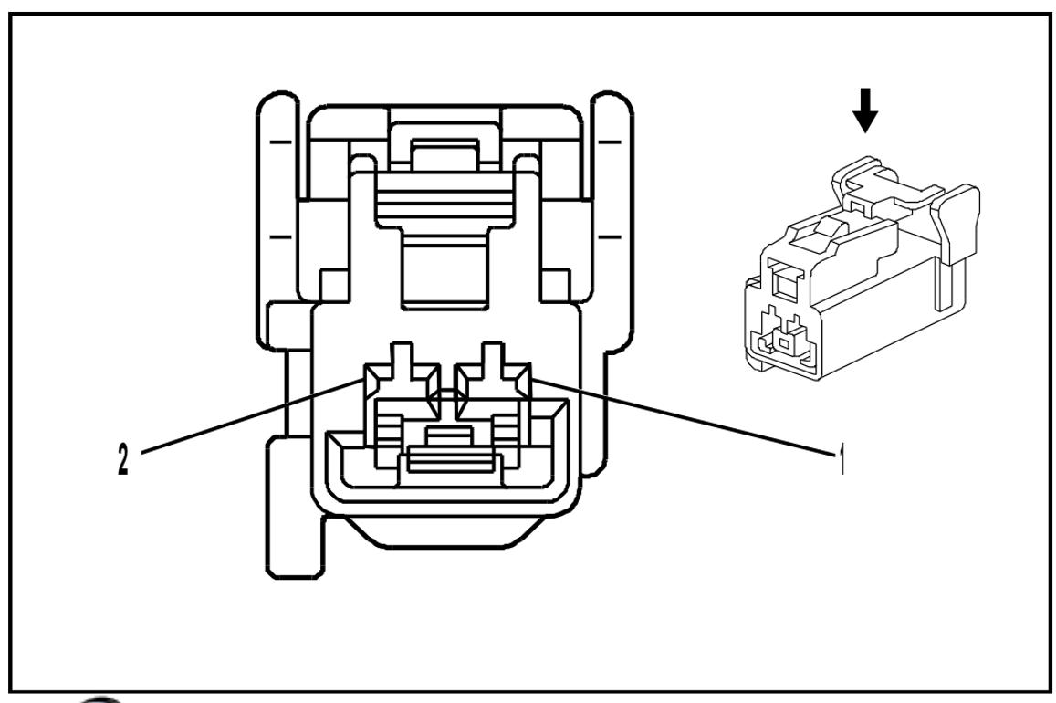
 | Type | 2-Way F 2.3 Series (NA)

 | Terminal/tray | Not Available
 | Core/insulation crimp | Not Available
 | Release tool | Not Available

Pin | Wire | Function
1 | L-GN/YE | Relay Control
2 | BK/WH | Ground

Contactor Relay (2)
2ML70 Project

 | Connector | Drive Motor Battery Positive High Voltage Contactor Relay X1 (HP2)
 | OEM Part # | 7283-1020
 | Service Part # | 88953305

 | Type | 2-Way F 2.3 Series (L-GY)

 | Terminal/tray | Not Available
 | Core/insulation crimp | Not Available
 | Release tool | Not Available

Pin | Wire | Function
1 | L-GN/BK | Relay Control
2 | WH/BK | Ground

Inverter Cover
2ML70 Project

 | Connector | Inverter Module Cover
 | OEM Part # | 12077900
 | Service Part # | 12116247
 | Type | 2-Way F Metri-Pack 280 Series, Sealed (BK)
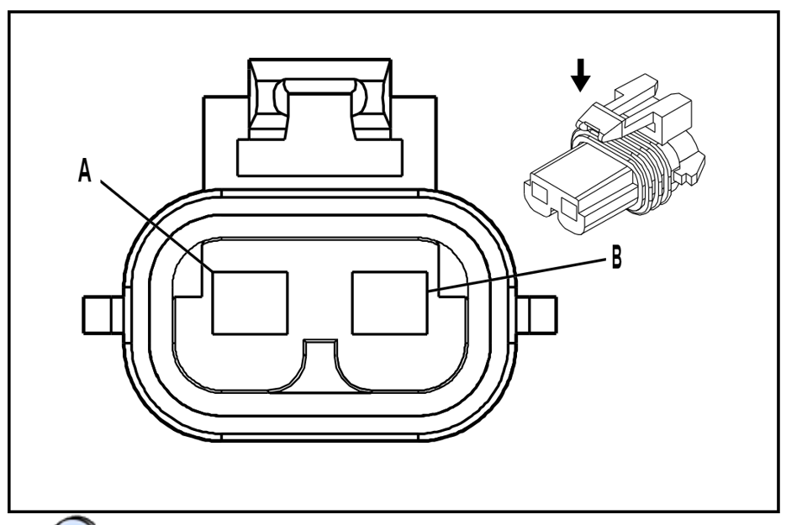
 | Terminal/tray | 12077411/2
 | Core/insulation crimp | 2025-02-05
 | Release tool | 12094430/J-35616-4A (PU)

Pin | Wire | Function
A | 0.5 PU | High Voltage Interlock Circuit
B | 0.5 PU | High Voltage Interlock Circuit

Drive Motor Assem1st
2ML70 Project

 | Connector | Internal Transmission - Drive Motor With Generator Assembly 1st Position
 | OEM Part # | 29544347
 | Service Part # | service by harness
 | Type | 10-way F
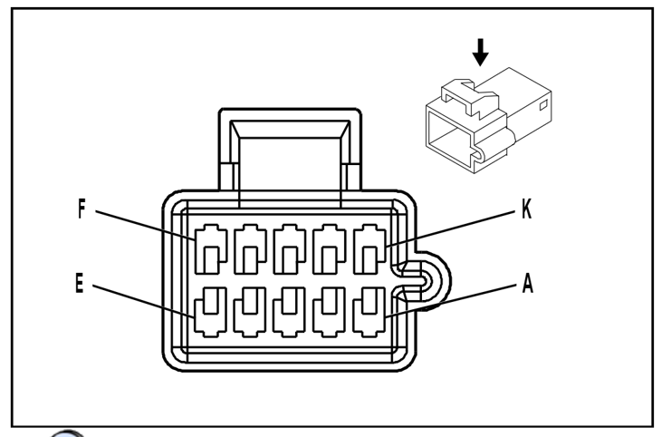
 | Terminal/tray | Service by harness
 | Core/insulation crimp
 | Release tool

Pin | Wire | Function
A | 0.5 L-GN | Motor 1 Resolver Sensor Exciter Negative
B | 0.5 D-BU | Motor 1 Resolver Sensor Exciter Positive
C | 0.5 YE | Motor 1 Resolver Sensor 1
D | 0.5 PU | Motor 1 Resolver Sensor 2
E | 0.5 BN | Motor 1 Resolver Sensor 3
F | 0.5 GY | Motor 1 Resolver Sensor 4
G | 0.5 L-BU | Motor 1 Temperature Sensor Signal
H | 0.5 D-GN | Motor 1 Temperature Sensor Return
J | 0.5 BARE | Drain
K |  | Not Used

Drive Motor Assem2nd
2ML70 Project

 | Connector | Internal Transmission - Drive Motor With Generator Assembly 2nd Position
 | OEM Part # | 2954348
 | Service Part # | service by harness
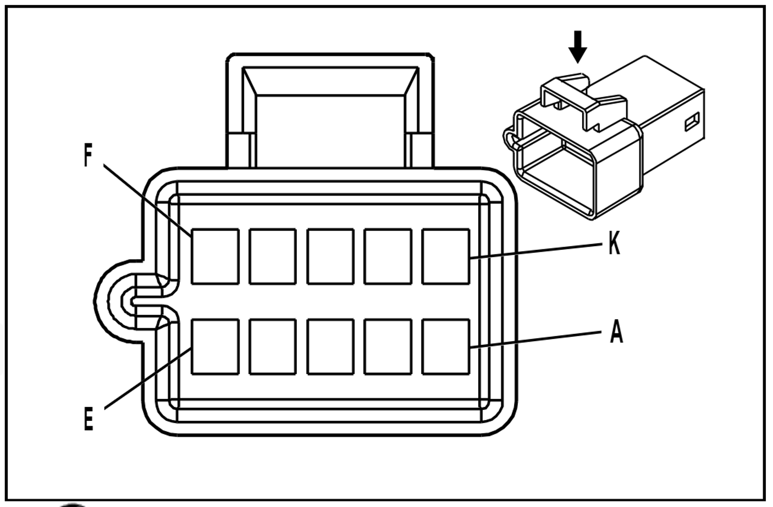
 | Type | 10-way F

 | Terminal/tray | Service by harness
 | Core/insulation crimp
 | Release tool

Pin | Wire | Function
A | 0.5 GY | Motor 2 Resolver Sensor Exciter Negative
B | 0.5 D-BU | Motor 2 Resolver Sensor Exciter Positive
C | 0.5 L-BU | Motor 2 Resolver Sensor 1
D | 0.5 D-GN | Motor 2 Resolver Sensor 2
E | 0.5 GY | Motor 2 Resolver Sensor 3
F | 0.5 BN | Motor 2 Resolver Sensor 4
G | 0.5 L-GN | Motor 2 Temperature Sensor Signal
H | 0.5 YE | Motor 2 Temperature Sensor Return
J | 0.5 BARE | Drain
K |  | Not Used

Trans control module
2ML70 Project

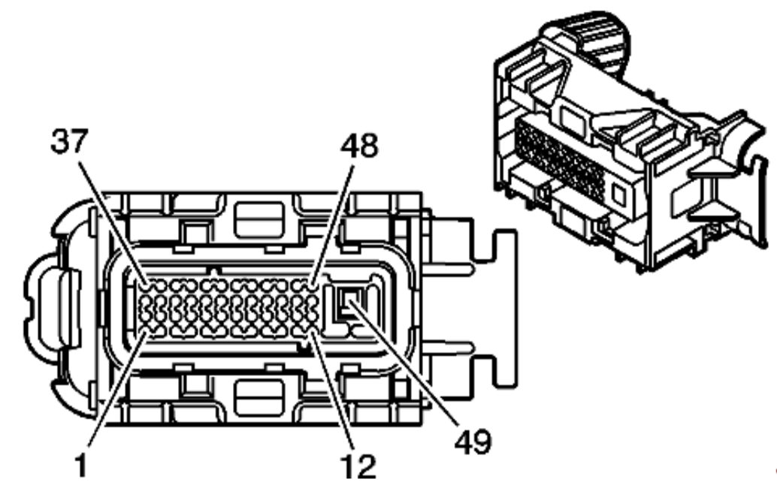
 | Connector | Transmission Control Module (TCM) (M30)
 | OEM Part # | 15463921
 | Service Part # | 89046898
 | Type | Conn 49-way F Micro-64 GT 280 Series Sealed (BK)

 | Terminal/tray | 15304719/19
 | Core/insulation crimp | Pins 1-48: E/5 Pin 49: 2/5
 | Release tool | 15315247/J-35616-4A (PU)

Pin | Wire | Function
1 | 0.5 BN | TCC PWM Solenoid Valve Control
2 | 0.5 L-GN | 1-2 shift solenoid volve control
3 | 0.35 OG | Input Shaft Speed Signal (ISS)
4 | -
5 | 0.35 OG/BK | Replicated TOS Signal
6 | 0.5 TN | High Speed GMLAN Serial Data Bus -
7 | 0.5 TN/BK | High Speed GMLAN Serial Data Bus +
8 | -
9 | -
10 | -
11 | 0.35 D-BU | Acessory Wake Up Serial Data
12 | -
13 | -
14 | 0.5 WH | 3-2 Shift Solenoid Valve Control
15 | -
16 | 0.5 L-GN/BK | VSS High Signal
17 | 0.5 L-BU/WH | PC Solenoid Valve Low Control
18 | -
19 | -
20 | 0.5 YE/BK | 2-3 Shift Solenoid Valve Control
21 | -
22 | -
23 | 0.35 GY | Transmission Range Switch Signal C
24 | 0.35 PK | Transmission Fluid Pressure Switch Signal A
25 | 0.5 TN/BK | TCC Solenoid Valve Control
26 | -
27 | -
28 | -
29 | 0.35 TN/WH | Transmission Range Switch Signal A
30 | 0.35 TN | Low Reference
31 | 0.5 PK | Ignition Voltage
32 | 0.5 RD/WH | Battery positive Voltage
33 | 0.35 OG | Transmission Fluid Pressure Switch Signal C
34 | -
35 | 0.5 YE/BK | Transmission Fluid Temperature (TFT) Sensor Signal
36 | -
37 | 0.5 TN | High Speed GMLAN Serial Data Bus -
38 | 0.5 TN/BK | High Speed GMLAN Serial Data Bus +
39 | 0.35 WH | Tranmission Range Switch Signal P
40 | 0.5 OG/BK | Pressure Control (PC) Solenoid Valve High Control
41 | 0.5 PU/WH | VSS Low Signal
42 | 0.5 L-BU/WH | Brake Switch Signal
43 | -
44 | 0.35 D-BU | Transmission Fluid Pressure Switch Signal B
45 | 0.35 L-BU | Low Reference
46 | 0.35 YE | Transmission Range Switch Signal B
47 | -
48 | -
49 | 0.8 BK/WH | Ground

Eninge to Transmission
2ML70 Project

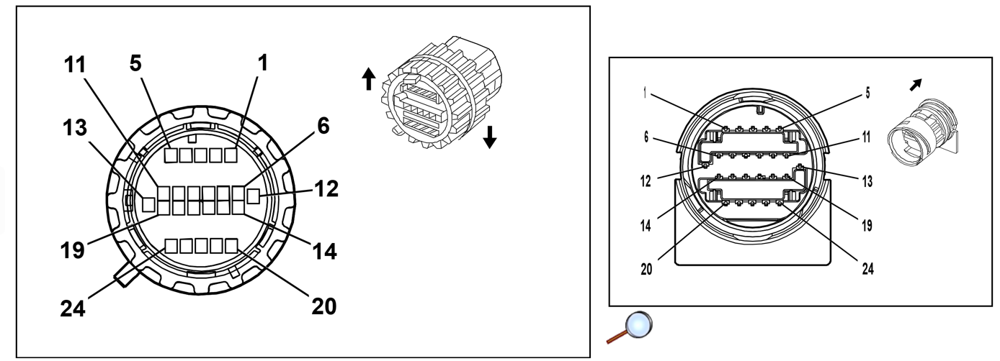
 | Connector | x176 Engine Harness to Transmission Harness (M99)
 | OEM Part # | 15483856
 | Service Part # | 88988936
 | Type | 24-Way F 1.5 Series Sealed (BK)

 | Terminal/tray | 33001-1004/23
 | Core/insulation crimp | E/C
 | Release tool | 12094429/J-35616-14 (GN)

Pin | Wire | Function
1 | 0.5 YE | Internal Mode Switch Direction Signal R1
2 | 0.5 GY | Internal Mode Switch Direction Signal R2
3 | 0.5 BN | Internal Mode Switch Direction Signal D1
4 | 0.5 L-GN | Internal Mode Switch Direction Signal D2
5 | 0.5 PU | Internal Mode Switch Signal - START
6 | 0.5 OG/WH | Output Speed Sensor (OSS) Signal
7 | 0.5 PU/WH | Output Speed Sensor (OSS) Signal
8 | 0.5 D-BU | Motor 1 Resolver Sensor Exciter Positive
9 | 0.5 D-BU/WH | Motor 1 Resolver Sensor Exciter Negative
10 | 0.5 YE | Motor 1 Resolver Sensor 1
11 | 0.5 BN | Motor 1 Resolver Sensor 3
12 | 0.5 PU | Motor 1 Resolver Sensor 2
13 | 0.5 L-BU | Motor 1 Temperature Sensor Signal
14 | 0.5 GY | Motor 1 Resolver Sensor 4
15 | 0.5 D-BU | Motor 2 Resolver Sensor Exciter Positive
16 | 0.5 GY | Motor 2 Resolver Sensor Exciter Negative
17 | 0.5 L-BU | Motor 2 Resolver Sensor 1
18 | 0.5 GY | Motor 2 Resolver Sensor 3
19 | 0.5 D-GN | Motor 1 Temperature Sensor Return
20 | 0.5 D-GN | Motor 2 Resolver Sensor 2
21 | 0.5 BN | Motor 2 Resolver Sensor 4
22 | 0.5 L-GN | Motor 2 Temperature Sensor Signal
23 | 0.5 YE | Motor 2 Temperature Sensor Return
24 | -

HV Connections
